
 |  |  |  | CODE: |  |  | pl1161K ab SN from 01A000
DESCRIPTION: |  | MOTOR |  | MOTOR | MOTEUR | MOTOR | MOTORE SPAZZOLA 24V
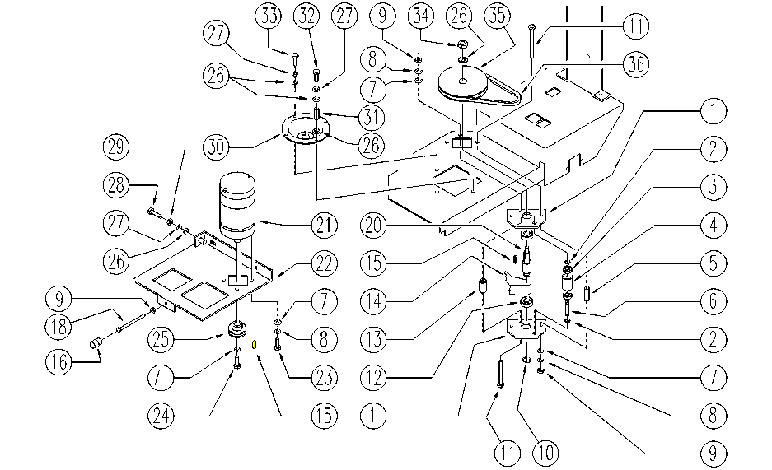

REF. | CODE | DESCRIPTION | QT
1 | E86994 | Plaque | 2
2 | E89408 | Stop Ring | 2
3 | E86667 | Bearing, 6001 2RS | 2
4 | E86727 | Neutral Pulley | 1
5 | E89485 | Spacer | 2
6 | E86666 | AS28 Pin | 1
7 | E86427 | Washer for AS20 | 8
8 | E86716 | Cham Washer | 7
9 | E86873 | Nut | 4
10 | E86537 | Ring | 1
11 | E86499 | Hex Bolt M6x55 SS | 3
12 | E83310 | Bearing, 6203 2RS | 2
13 | E86995 | Spacer WS20/24 | 1
14 | E86414 | Belt | 1
15 | E86536 | Key | 2
16 | SL2001 | FOOT / PIN | 1
18 | SL0414 | SCREW | 1
20 | E86535 | Shaft | 1
21 | E86608 | Brush Motor | 1
22 | SL0958 | SUPPORT | 1
23 | E86737 | Screw | 4
24 | E86737 | Screw | 1
25 | E87871 | Pulley | 1
26 | E86879 | Washer | 7
27 | E89183 | Washer | 5
28 | E86870 | Screw | 1
29 | E86876 | Nut | 1
30 | E86725 | Flange, WS20 | 1
31 | SL0719 | BEARING | 1
32 | E86542 | Screw AS20 | 1
33 | E89182 | Screw | 3
34 | E86853 | Nyloc Hex Nut, M8 Zinc | 1
35 | E89409 | Pulley Type Z DP150 | 1
36 | E86471 | Belt | 1

